Sub-basecourse and Basecourse
INSPECTION & TEST PLAN
Contract No 7/21/186 |  | Contract Name: |  |  |  |  | Rev: | Originator | Date | Approved | Date
 |  | Ruapekapeka Road Seal Extension |  |  | Pavement Construction |  | 0 | Pulkit Chawla | 2022-07-14
8 |  |  |  |  |  |  | 1 | Cam W | 2022-08-14
 |  |  |  |  |  |  | 2 | Cam W | 2022-12-02

TASK | SPECIFICATION REFERENCE | TEST REQUIRED | INSPECTION BY | TASK TIMING OR TASK FREQUENCY | ACCEPTANCE CRITERIA | HOLD POINT (H) OR WITNESS POINT (W) | SIGNATURE | DATE | COMMENTS
PreConstruction
Preconstruction | IFC Drawings | Visual Inspection | UCC Rep | Before Construction | IFC (Issued for Construction) | H
Sub-Basecourse Placement | Spec - 8631 - 3.4 | Signoff/ Visual Inspection | Engineer | Before Construction of Sub-Basecourse | Ensure Subgrade meets all quality and control testing requirements of 8613 CONSTRUCTION TO FORMATION before placing basecourse | H
Base-Course Placement | Spec - 8631 - 3.5 | Signoff/ Visual Inspection | Engineer | Before Construction of Basecourse | Ensure Sub-Basecourse meets all quality and control testing requirements before placing Basecourse | H
Materials
Aggregate Compliance | 8621 - 2.1 | Visual inspection | UCC Rep & Engineer | Before & During Construction | >Crushing Resistance -1 test per 10,000m2 >Weathering Quality Index - 1 test per 10,000 m3 >Soaked CBR - 1 test per 10,000 m3 > Particle Size Distribution - For Stockpiles larger than 4000 m3 > Sand Equivalent - 1 test per 10,000 m3 > Broken Faces - For Stockpiles larger than 4000 m3 | H
 |  | Visual Inspection | UCC Rep & Engineer | Before Construction | Comply with following: - (a) Crushing resistance minimum 200kN for sedimentary rock, and 130kN for other rock types. (b) Weathering Quality minimum AA, AB, AC, BA, BB or CA. (c) Sand Equivalent minimum 40. (d) Permeability greater than 0.0001 m/s. (e) The Three aggregate fractions between 37.5mm and 4.75mm sieves to have not less than 70% by weigth, and have two or more broken faces. (f) Grading which falls within table in the comments. | H |  |  | 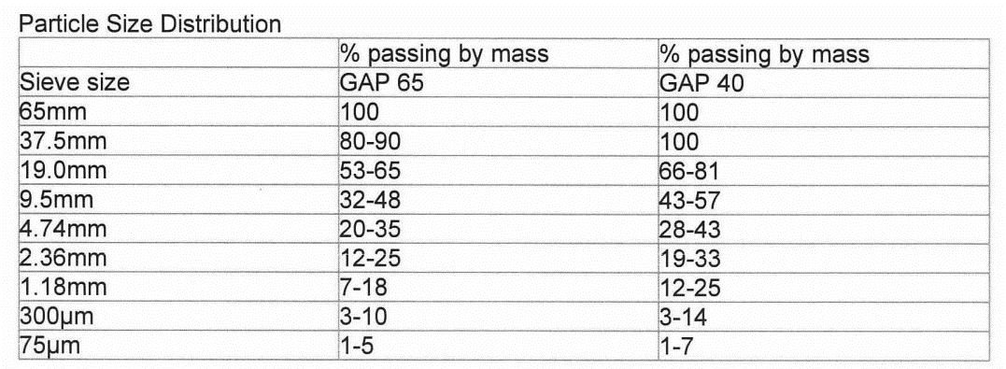 Ensure the sub-basecourse for unbound granular pavement construction complies with following sub-basecourse criteria in all respects for all pavement.
Construction
Construction of Pavement | Spec - 8631 - 3.2 TNZ B/02 Drawings |  | UCC Rep |  | Carry out all sub-basecourse and basecourse contruction to TNZ B/02 | W
Stringline Checks Each Layer | TNZ B/02 - 5.0 | Visual Inspection | Engineer | Pavement Surface every 20m | Width: Unconstrained: -20mm +100mm Constrained: Zero Vertical Without Concrete Channel: Subbase: -25mm+5mm Basecourse: -5mm+15mm Vertical With Concrete Channel: Subbase: -25mm +5mm Basecourse: by lip of channel -5mm +5mm other areas -5mm +15mm | H
Surface Shape | TNZ B/02 - 7.7 | Visual Inspection | UCC Rep | Pavement Surface | No point in the surface shall vary by more than 10mm from a 3m straigh edge placed on the road with no depressions that allow water to pond where lateral or longitudinal fall is greater than 1% | W
Surface Finish | TNZ B/02 - 7.8 | Visual Inspection | UCC Rep | Pavement Surface | The Basecourse finish shall present a tightly consolidated surface when swept in particular: Large aggregate is exposed to the surface and held in place with a matrix of smaller aggregates Smaller aggregates held in place by fine material and the matrix does not displace under normal trafficing or sweeping | W
Lime/Cement Stabilisation and Correct application Rate
Lime/Cement Supply | TNZ B5 | Supplier Documentation | Visual Inspection | QA sheet from the supplier. | Meets NZS 3122 | W
Record Depth | Email from Engineer | Visual Inspection | UCC Rep | Application rate shall be recorded for each run | Depth must be equal to 150mm | W
Application Rate | Email from Engineer | Mat Test | UCC Rep/ Engineer | Every 400m2 | Within +- 0.5kg/m2 of the specified rate | W
 | Email from Engineer | Average Usasge Test | UCC Rep/ Engineer | Upon Emptying the spreader and bulk truck | Within +- 2.5% of the specified rate | W
Pavement Testing
Density (Sub-basecourse) | TNZ - B/02 - 7.6 | Compaction Testing | Engineer | Ever 20 Linear meters for each lane | Density >= 95% mean Density >= 92% minimum | H
Density (Basecourse) | TNZ - B/02 - 7.6 | Compaction Testing | Engineer | Every 20 Linear meters for each lane | Density >= 98% mean Density >= 95% minimum | H
Beams | TNZ - T1 | Deflection Testing | Engineer | Every 20 Linear meters for each lane | Subbase 1.8mm Basecourse 1.2mm with Max of 1.6mm | H
Sealing
Pre-Seal Inspection |  | Visual Inspection | Engineers Rep/UCC Rep | Prior to placement of subsequent pavement layers. | Before sealing inspect the base course is to the specified standard, correct crossfalls, all kerb & channel completed, to allow work of the required standard. | H
Presealing Requirements | TNZ B/02 | Degree of Saturation | Engineer | Carry out testing at a frequency of one test per 20m of traffic lane to be sealed | > 80% Saturation | H |  |  | DO NOT apply seal coat unless water content at each test point of basecourse layer is such that degree of saturation is less than 80%
Seal Widths | NCC Drawing - Typical Cross Section | Visual Inspection | UCC Rep | Marked Out Every 20m | Width of pavement to be 3.25m each lane or 6.5m overall | W
Material Properties - Grade 3 & 5 Sealing Chip | First and Second Coat Chip Sealing | NZTA T10 | UCC Rep | Each Application | Acceptance from the Engineer | H
Pavement Marking
Pavement Markings | Spec. 16.0 NZTA M/7Design / IFC Drawings | Visual Inspection | UCC Rep | After setout of permanent line markings. | Match Design | W
Guardrail
Weak Post Guardrail | Design / IFC Drawings | Visual Inspection | UCC Rep | All NU-Guard Guardrail | NZTA M23:2009 System with 12g W-Beam Guardrail and 2.67mm Thick Nucor Posts | W
Weak Post Guardrail Installation | Design / IFC Drawings | Visual Inspection | UCC Rep | Testing and installation as per manufacturers instructions | To be installed into compacted Engineered Fill (NZTA Spec M4 Materials compacted to NZTA B2 Spec) or insitu material confirmed as suitable to min. of 1200 deep | W
Post Construction
As-Builting | 8613 - 1.6 |  | UCC Rep | At completion of the pavement and before completion of the defects notification period | Provide As-Built and RAMM records before Practical Completion: - Plan showing Base-Course materials and depths - RAMM data and completed database sheets for Council | H

